Tabelle1
1
git config --get remote.origin.url NEW_URL | asil komut | git config --get remote.origin.url | remote repoyu görmek icin
git config --global user.email NEW_URL
git push -u origin master NEW_URL | The -u flag is used to set origin as the upstream remote in your git config. As you push a branch successfully or up to date it, it adds upstream reference. As you push local branch with (the) git push -u option, that local branch is linked with the remote branch automatically.
git remote set-url origin NEW_URL | To add a new remote, use the git remote add command on the terminal, in the directory your repository is stored at. The git remote set-url command changes an existing remote repository URL. git remote add => ADDS a new remote. git remote set-url => UPDATES existing remote

3
link

4
link

5
link

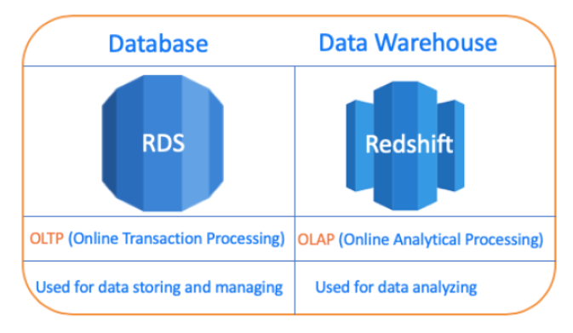

Interview Questions
1
link

2
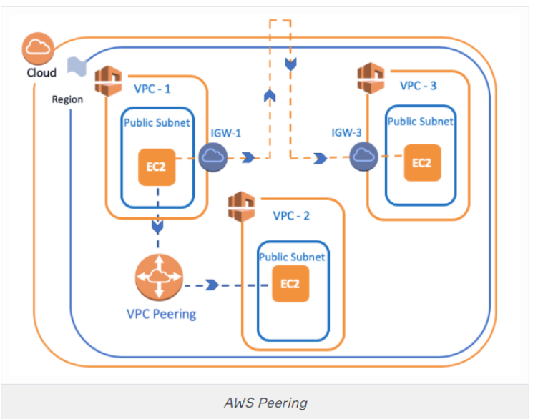

link

3
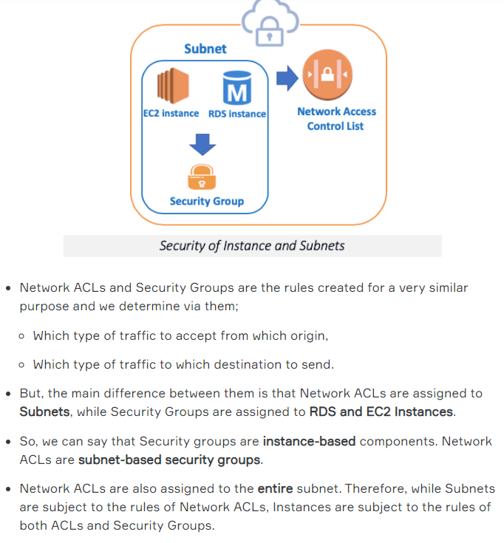

Network access control list

